Look up (2)
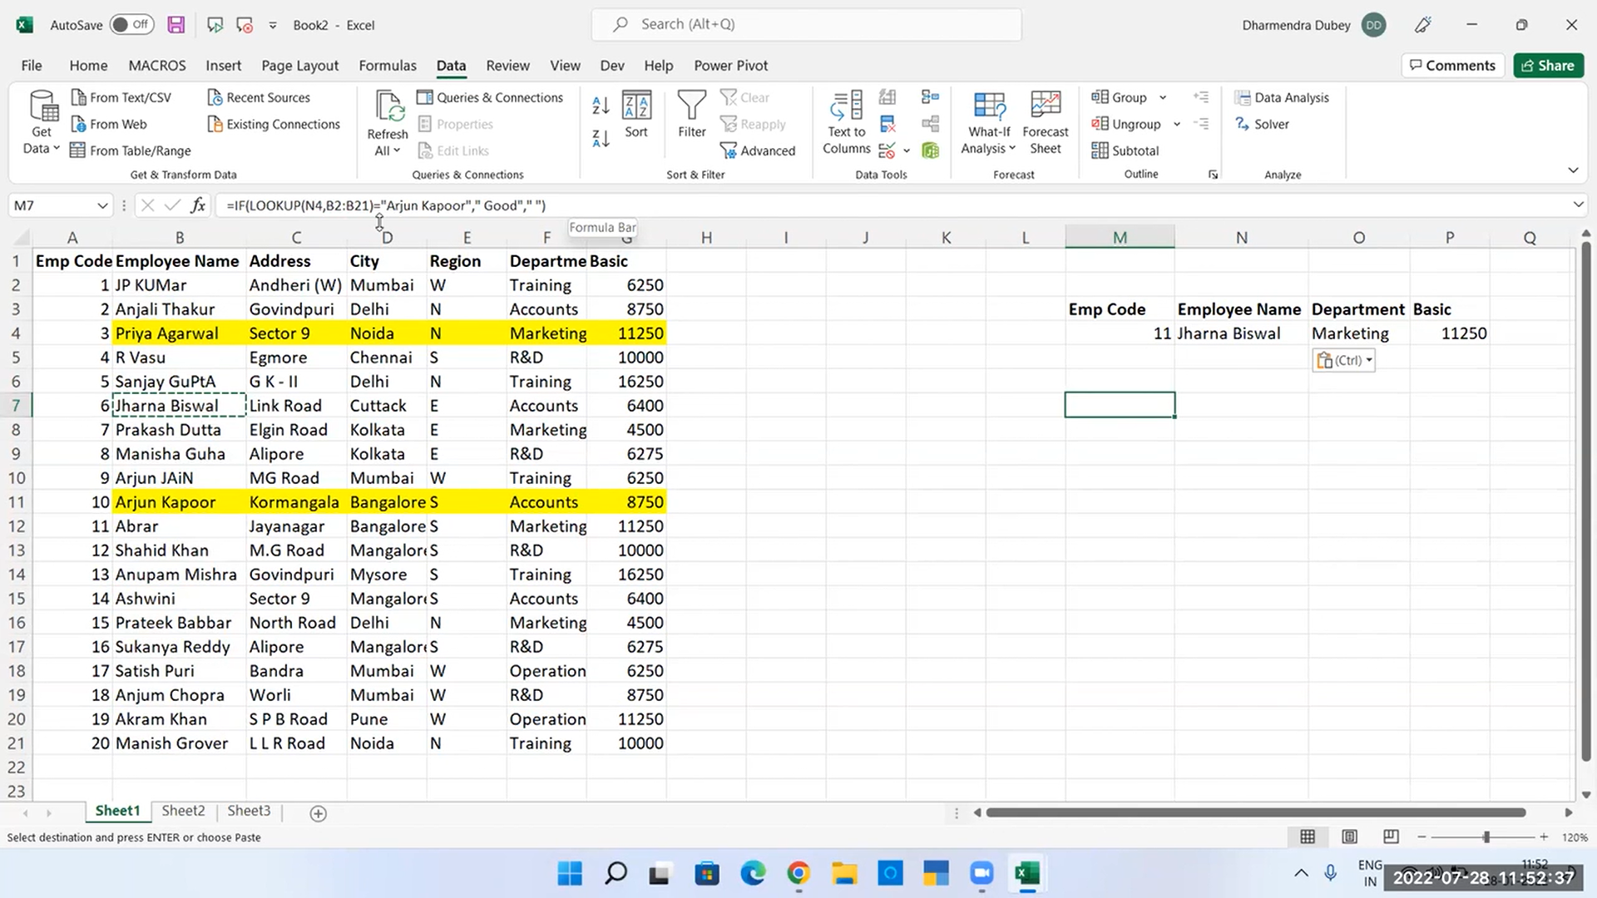
Emp Code | Employee Name | Address | City | Region | Department | Basic
11 | Abrar | Jayanagar | Bangalore | S | Marketing | 11250
19 | Akram Khan | S P B Road | Pune | W | Operation | 11250 |  |  |  | must and should be in Ascending order
2 | Anjali Thakur | Govindpuri | Delhi | N | Accounts | 8750 |  |  | look up
18 | Anjum Chopra | Worli | Mumbai | W | R&D | 8750 |  |  | based on name I can find department by giving value as emplyee name
13 | Anupam Mishra | Govindpuri | Mysore | S | Training | 16250 |  |  | then entire emplyee column and deprtment column
9 | Arjun Jain | MG Road | Mumbai | W | Training | 6250 |  |  | first sort the column where the value is situted
10 | Arjun Kapoor | Kormangala | Bangalore | S | Accounts | 8750
14 | Ashwini | Sector 9 | Mangalore | S | Accounts | 6400 | Emp Code | Employee Name | City | Department
6 | Jharna Biswal | Link Road | Cuttack | E | Accounts | 6400 |  | JP Kumar | Mumbai | Training
1 | JP Kumar | Andheri (W) | Mumbai | W | Training | 6250 |  | Manisha Guha | Kolkata | R&D
20 | Manish Grover | L L R Road | Noida | N | Training | 10000 |  | Abrar | Bangalore | Marketing
8 | Manisha Guha | Alipore | Kolkata | E | R&D | 6275
7 | Prakash Dutta | Elgin Road | Kolkata | E | Marketing | 4500 | Emp Code | Employee Name | City | Department
15 | Prateek Babbar | North Road | Delhi | N | Marketing | 4500
3 | Priya Agarwal | Sector 9 | Noida | N | Marketing | 11250
4 | R Vasu | Egmore | Chennai | S | R&D | 10000
5 | Sanjay Gupta | G K - II | Delhi | N | Training | 16250
17 | Satish Puri | Bandra | Mumbai | W | Operation | 6250
12 | Shahid Khan | M.G Road | Mangalore | S | R&D | 10000
16 | Sukanya Reddy | Alipore | Mangalore | S | R&D | 6275

